Outbound Prospecting + Inside S
Outbound Prospecting + Inside Sales Unit Economics Model
Since 2014, we've specialized in helping B2B SaaS and high-ticket service companies grow, while being extremely capital efficient.
We've helped over 800 B2B SaaS and high-ticket services companies to date.
Click here to book a rainmaking session with our team.

How to Use: Click 'File' and 'Make a Copy' to change the inputs and tailor this model to your own business.

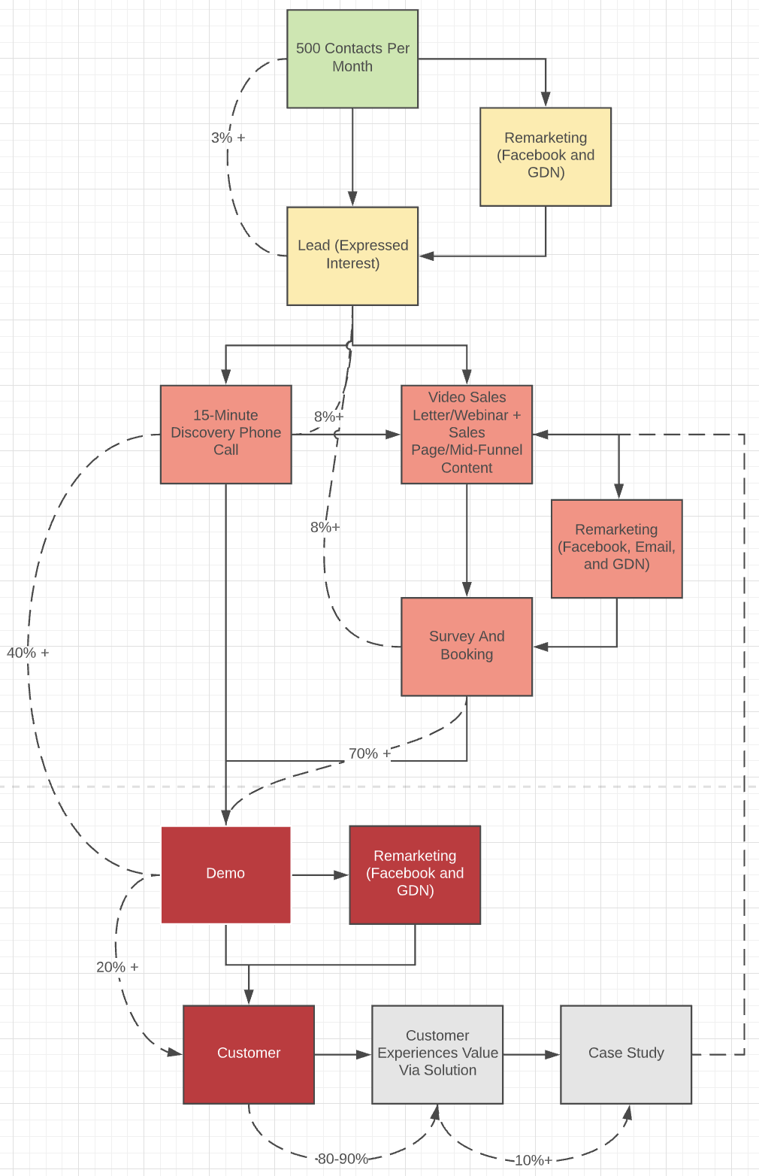
Variable | Value | Note | Example | Figure 1) Outbound Prospecting + Inside Sales Schematic
SDR Monthly Salary | $0.00 | The average SDR salary in the US is ~$47k.
Contacts Hit Per SDR Per Month | 8,000 | An SDR should be able to hit at least 200 contacts per week. Someone trained on the Salesprocess.io framework and workflows can hit 120 per day.
Cost Per Contact Hit By SDR | $0.00 |  |  |  | Ads are used to retargeting folks who have hit the link in the email, visited the site, but did not take action. These retargeting pools are small, but they can be reached on Facbeook, LinkedIn and the GDN. Optimize for reach.
Lead Rate | 3.0% | A 1-3% lead rate is achieveable with average messaging. However, with a strong message and offer that can be found and published using the Salesprocess.io framework, one can achieve an 8-30% conversion rate. | Example of SDR Results
Cost Per Lead | $0.00
Demo/Lead | 40% | Discovery calls can be conducted by the SDR to qualify leads. The Salesprocess.io Discovery Call Matrix can be used to standardize this process. | Example of Discovery Call Matrix |  | Video sales letters and in-depth content pieces are used to warm prospects up before call.
Cost Per Demo | $0.00
Demo Show Up Rate | 90% | One must account for the show up rate. Can drop during summer and holidays. Email sequences can be used to increase the show up rate and marinate the prospects before the demo. | Example of Primer Sequence
Demo Close Rate | 20% | A high-performing inside sales team with the right script and assets will achieve close rates of over 20%. This 20% standard can achieved by a junior person with 1-3 months training on the right framework. Experienced salespeople (8 months-13 months) can achieve 50%+ conversion rates.
 |  | Example of Spreadsheet + Management Tracking | Example of Spreadsheet + Management Tracking
 |  | Example of Scripts | Example of Script
CPA | $0.00
Sales Rep Commission (% of Gross Contribution) | 10% | For a high-ticket offer, 10% is the commission rate that will keep the sales team motivated and aligned.
CPA (Conversion) | $800.00 | Sales rep commission.
CPA (Total) | $800.00 | The total cost to acquire a customer is extremely important and should be tracked at all times.
Annual Gross Contribution | $8,000.00 | Outbound prospecting and inside sales works best for offers with gross contribution >$3k per sale.
Gross Contribution in 7 Days (if paid monthly) | $2,666.67 | It is better to sell upfront deals to manage cash flow and recoup CPA immediately.
ROI (Revenue) | 900%
ROI (Cash) | 233%
Payback Period (months) | 0.3 | You can make this <1 if you and your team are trained on selling upfront deals.

Outbound Prospecting + Inside Sales [Pros, Cons & When It's Used]
Pros
Fast to set up
Can reach executives
Easy to duplicate
Cons
Hard to scale
Expensive to scale
When It's Used
When you are starting out from scratch and testing new offers
When you are selling tickets with gross contribution >$3k
When you know exactly who you are targeting

Outbound Prospecting + Inside Sales Funnel
Figure 1: Outbound Prospecting + Inside Sales Funnel Schematic
Figure 1 depicts the outbound prospecting funnel. This funnel can be used to validate a new market or it can be used to scale an existing offer (when the gross contribution allows for it).

In this funnel, an SDR (sales development representative) will mine contact data and personally reach out to at least 500 contacts per month via cold email, cold LinkedIn messaging, and cold calling.

The positive reply rate (the contact expressing interest) should be at least 3%. In some cases, when there is an extremely high market-message resonance, the lead rate can climb up to 15% +.

The SDR then qualifies the lead with a discovery call (80-90% of the outbound leads will show up for a discovery call).

Once the discovery call is completed, the SDR books the qualified lead on the calendar with a sales person (or Account Executive or Closer).

The demo-discovery rate will be between 10-40%. This rate depends on the quality of your leads, which is dependent on the initial messaging (the less personalized and specific the messaging is at the cold-email level, the lower the quality of the lead will be and the less likely the lead will be qualified).

The sales person will then demo the prospect and close the deal.

A 20%-50% close rate is standard with a properly trained rep.

The retargeting loops in this funnel “pick up the slack” or “mop up the crap” and increase the efficiency of the entire funnel.

Retargeting is achieved using advertising channels (Google Display Network and Facebook Network) and email marketing nurturing (autoresponder software like Active Campaign).

The effectivity of the outbound prospecting channel is heavily dependent on the gross contribution of the offer. The figure below compares the yield (ROI) against the gross contribution.

These calculations were found using THE BUSINESS UNIT CASE MODEL.
Figure 2 - Yield vs. Gross Contribution Using Outbound Prospecting + Inside Sales
Variable | Case 1 | Case 2 | Case 3
SDR Monthly Salary | 3,500.00 | 3,500.00 | 3,500.00
Contacts Hit Per SDR Per Month | 500 | 500 | 500
Cost Per Contact Hit By SDR | 7 | 7 | 7
Lead Rate | 3% | 3% | 3%
Cost Per Lead | $233.33 | $233.33 | $233.33
Demo/Lead | 30% | 30% | 30%
Cost Per Demo | $777.78 | $777.78 | $777.78
Demo Show Up Rate | 90% | 90% | 90%
Demo Close Rate | 20% | 20% | 20%
CPA | $4,320.99 | $4,320.99 | $4,320.99
Sales Rep Commission (% of Gross Contribution) | 15% | 15% | 15%
CPA (Conversion) | 1,500.00 | 750 | 7,500.00
CPA (Total) | 5,820.99 | 5,070.99 | 11,820.99
Gross Contribution | $10,000 | $5,000 | $50,000
Gross Contribution in 7 Days (if paid monthly) | $833 | $417 | $4,167
ROI (Revenue) | 71.79% | -1.40% | 322.98%
ROI (Cash) | -85.68% | -91.78% | -64.75%
Payback Period (months) | 6.99 | 12.17 | 2.84

Notice gross contribution affects the yield of the outbound funnel - in case 1, the gross contribution is $10,000 and yield is 71.79%, however in case 2, when gross contribution is only $5,000, yield is negative, which means that the business will break. In case 3, the gross contribution is $50,000 and the yield is 322.98%.

This shows that the outbound prospecting channel is extremely effective for high-ticket offers with high high-gross-contribution values, but not effective for lower-ticket, lower-gross contribution offers.

Based on our experience - The outbound prospecting + inside sales funnel will work (meaning yield > 0) as long as the gross contribution is greater than $6,000.

The SDR monthly salary is assumed to be $3,500 since this is the price you can pay to get someone junior to send 500 personalized emails per month.

A 3% lead rate is assumed. This is the rate at which a contact indicates interest. This lead rate is conversative and is achievable with a properly trained SDR and messaging that includes a desired transformation.

A 30% demo-lead rate (number of people who book demos/number of people who express interest) is assumed.

People who indicate interest via outbound prospecting are more likely to book demos than people who indicate interest via a mass-marketing channel like Facebook advertising.

A 90% demo-show-up rate is assumed. Based on our experience, the outbound demo-show-up rate is greater than the inbound demo-show-up rate since there is a discovery conducted between the lead and demo booking event.

A 20% close rate is assumed. This is achievable by a properly trained sales team.

Figure 3 and 4 demonstrate top of funnel metrics.
Figure 3 - Example of SDR Output, Open Rates, and Reply Rates

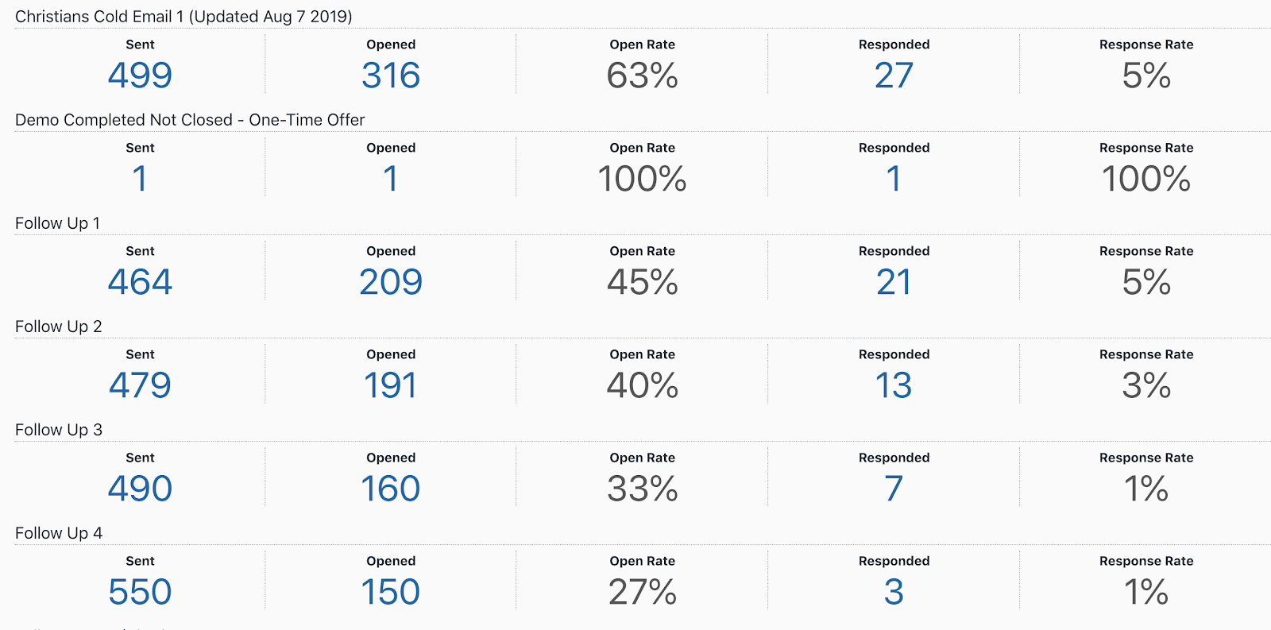

Notice that the open rates are greater than 25%, and the overall reply rate is greater than 13%. This is achieved by using extremely effective niche-specific messaging.

Figure 4 - Example of SDR Output (Salesprocess.io)

Figure 4 shows an example of an SDR’s monthly output. Notice that 800 leads were contacted, 2,722 emails were sent (approx 3 emails per contact over a span of 1 month), 381 replies were received (approx. 14%) and 64 demos were scheduled (8%).

Figure 5 - Show Up Rate and Close Rate Vs. Rep - Timeframe Held Constant

Figure 5 depicts the close rate for 3 reps selling the same offer over 1 month. Notice that the show-up rate is approximately 50% (this overall show up rate is a blend of outbound, inbound, and organic leads - inbound leads contribute to a lower show up rate). Notice that the close rate is approximately 27% when averaged across 3 reps.

Paid Traffic + Inside Sales
Paid Traffic + Inside Sales Unit Economics Model
Since 2014, we've specialized in helping B2B SaaS and high-ticket service companies grow, while being extremely capital efficient.
We've helped over 800 B2B SaaS and high-ticket services companies to date.
Click here to book a rainmaking session with our team.

How to Use: Click 'File' and 'Make a Copy' to change the inputs and tailor this model to your own business.

Variable | Value | Note |  | Figure 1) Paid Traffic + Inside Sales Schematic
CPM | $15.00 | Cost per 1000 impressions on Facebook and LinkedIn ranges from $10-20.
CTR | 1.00% | A 1-3% CTR can be achieved with the right ad angle and copy.
CPC | $1.50 | Cost per click should be around $1-2.
Opt-In Rate | 15% | An opt-in rate of 15-30% can be achieved using a piece of content/lead magnet that can be created and tested using the Salesprocess.io framework.
Cost Per Lead | $10.00
Demo/Lead | 15% | The benchmark demo conversion rate is 10-20%.
Cost Per Demo | $66.67
Demo Show Up Rate | 60% | One must account for the show up rate. Can drop during summer and holidays.
Demo Close Rate | 20% | A high-performing inside sales team with the right script and assets will achieve close rates of over 20%. This 20% standard can achieved by a junior person with 1-3 months training on the right framework. Experienced salespeople (8 months-13 months) can achieve 50%+ conversion rates.
CPA (Ads) | $555.56
Sales Rep Commission (% of Gross Contribution) | 10% | For a high-ticket offer, 10% is the commission rate that will keep the sales team motivated and aligned.
CPA (Conversion) | $70.00 | Sales rep commission.
CPA (Total) | $625.56 | The total cost to acquire a customer is extremely important and should be tracked at all times.
Annual Gross Contribution | $700.00 | Paid traffic and inside sales works best for offers with gross contribution >$3k per sale.
Gross Contribution in 7 Days (if paid monthly) | $233.33 | It is better to sell upfront deals to manage cash flow and recoup CPA immediately.
ROI (Revenue) | 11.90%
ROI (Cash 30 Days) | -62.70%
Payback Period (months) | 2.7 | You can make this <1 if you and your team are trained on selling upfront deals.

Paid Traffic + Inside Sales [Pros, Cons & When It's Used]
Pros
Allows you to scale
Reach new audiences in seconds
Cons
Hard to set up
Hard to tune
Need cash to test
Need a sales team
When It's Used
When you validated your offer with outbound prospecting or organic
When you are scaling up
When you don't know exactly who you are targeting
When you are selling tickets with gross contribution >$3k

Paid Traffic + Inside Sales Funnel

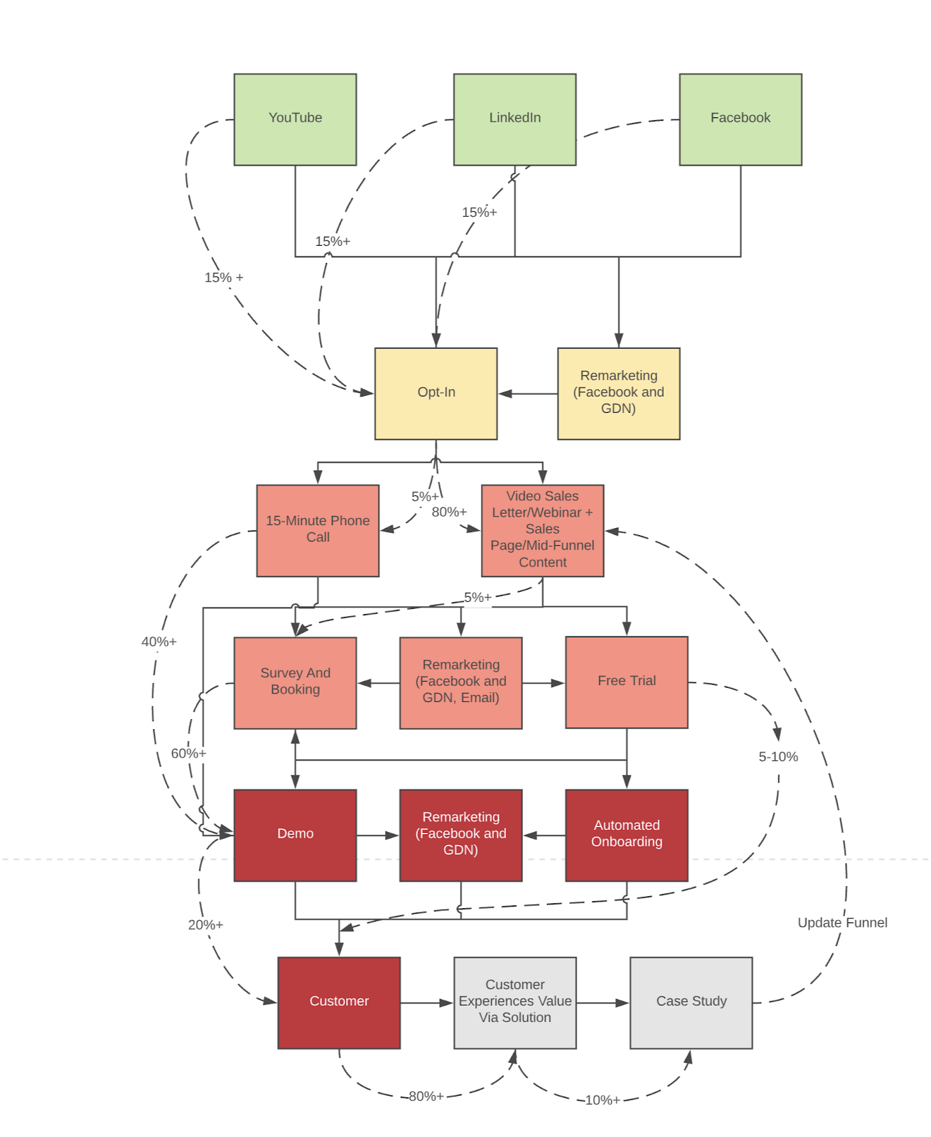

Figure 1 - Paid Traffic Funnel Schematic
Figure 1 depicts the paid traffic inside sales funnel. This funnel is used to scale companies extremely quickly.
Notice that the paid traffic channels (Facebook, Youtube, LinkedIn) route to an opt-in page - a page that generates leads.
Once the lead is captured, the lead enters a nurture sequence.
These nurture steps include: video sales letters (long-form-video-content), written content, automated email follow ups, personal follow ups from sales people, and retargeting ads using the GDN and Facebook network.
The purpose of this nurture content is to turn leads into qualified opportunities (AKA - sales qualified leads - leads who have the problem you are solving, have the money, and the buying authority).
The lead/qualified opportunity rate should be at least 5%. This is achieved using the nurture content.
The qualified lead is then pitched by a salesperson and closed. This closing rate should be at least 20%.
Figure 2 shows an example of the Facebook advertising platform dashboard.
Figure 2 - Facebook Advertising Dashboard - Paid Traffic Funnel Example

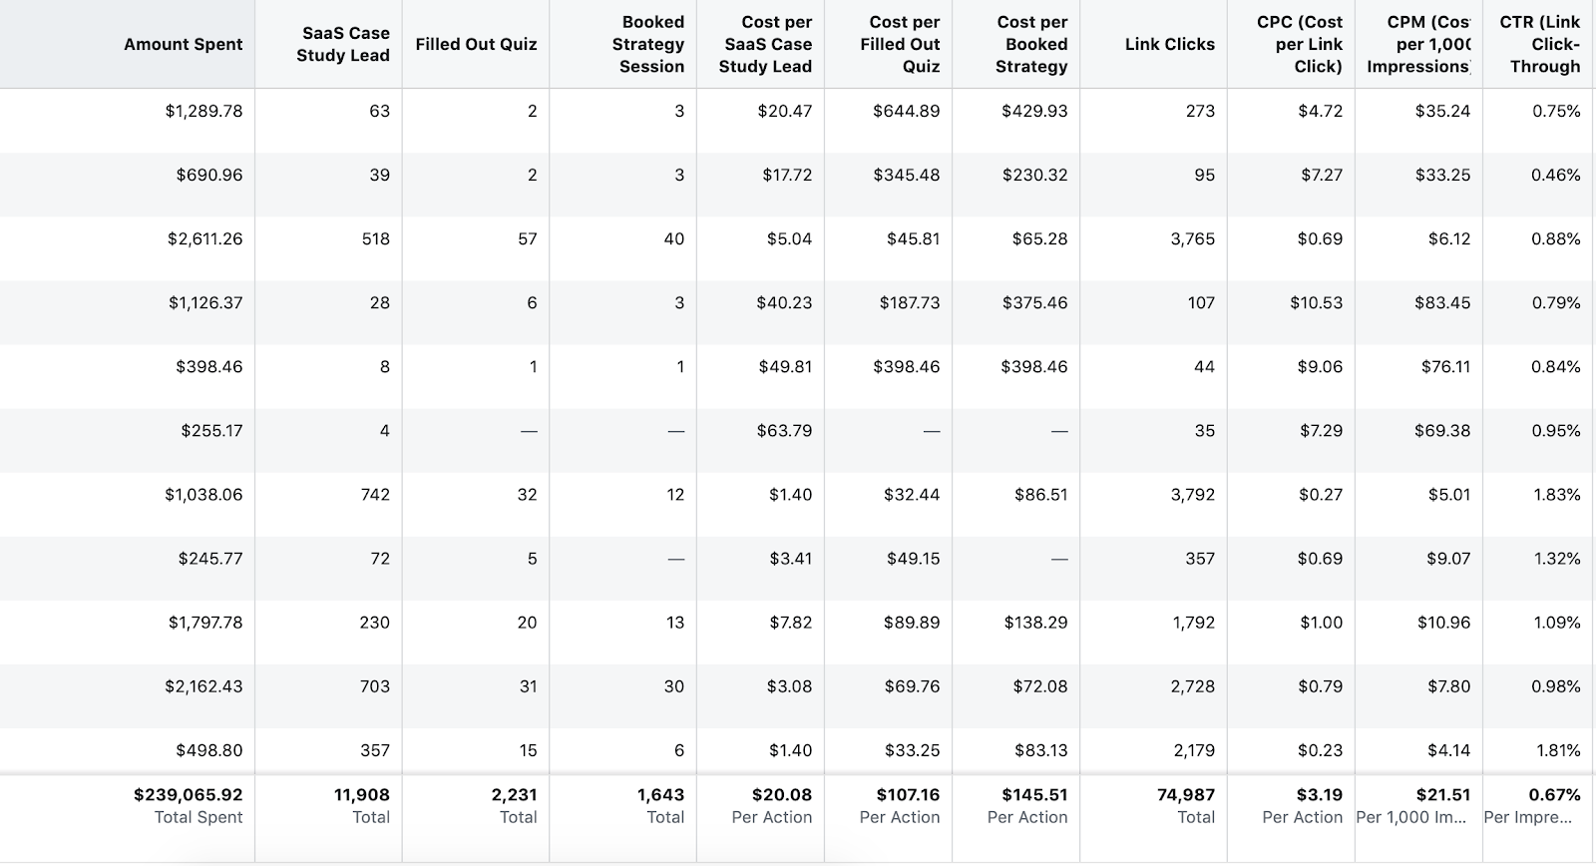

Notice that $239k was spent, 74,987 clicks were produced with a click-through rate of 0.67% and average CPC of $3.19, 11,906 leads were created (16% opt-in rate), 1,643 appointments were scheduled (14% appointment/lead rate).
Figure 3 shows the cash accumulated from the Facebook channel (this cash collected, not revenue).
Figure 3 - Revenue realized from Facebook channel over 12 months

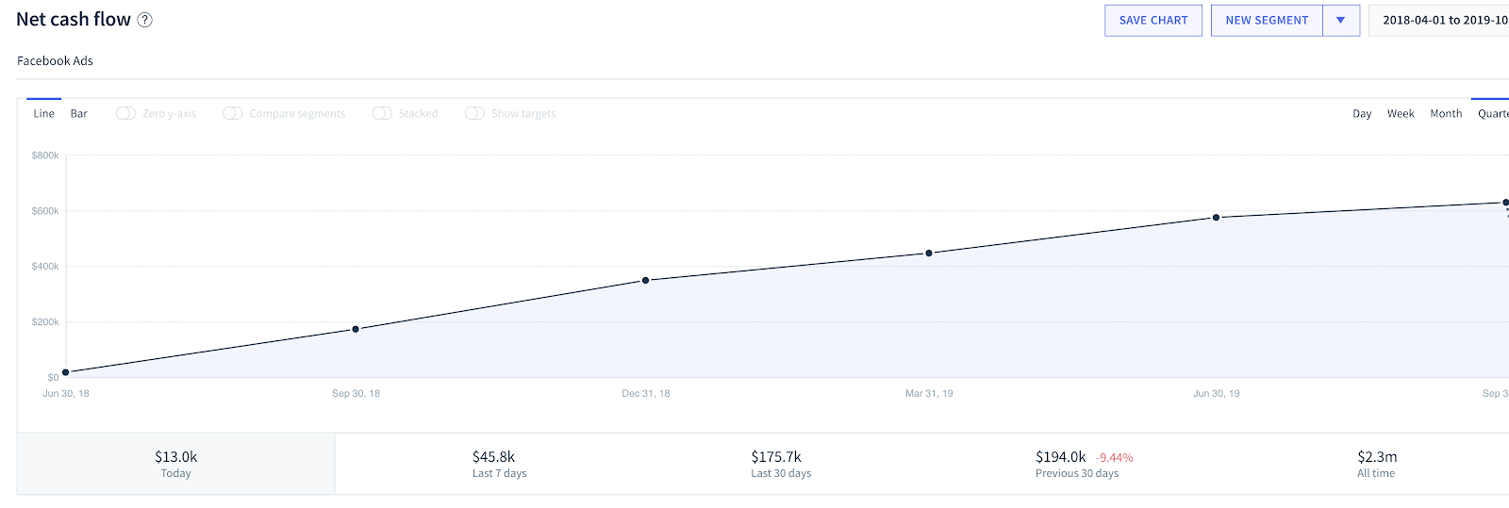

Notice that $2.3M (Cash) was realized in one year from the Facebook ad spends (10x yield).
Figure 4 - Visual Representation of a paid-traffic marketing funnel

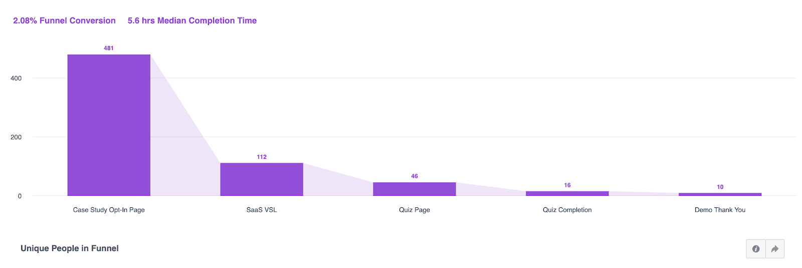

Figure 4 shows a visual representation of a paid traffic inside sales funnel. This was produced using Facebook Analytics.
Notice that the demo-lead conversion rate can be determined by dividing the demo-thank-you step by the SaaS VSL step (opt-in/lead).
The yield of the paid-traffic-inside sales model is dependent on CPM and the gross contribution of the offer.
Figure 5 compares yield against contribution values when CPM is held constant at $26.
Figure 5 - Yield Vs. Gross Contribution Using Paid Traffic + Inside Sales Access Channel With CPM Held Constant at $26
Variable | Case 1 | Case 2 | Case 3
CPM | $26 | $26 | $26
CTR | 0.78% | 0.78% | 0.78%
CPC | $3 | $3 | $3
Opt-In Rate | 10% | 10% | 10%
Cost Per Lead | $33 | $33 | $33
Demo/Lead | 16% | 16% | 16%
Cost Per Demo | $208 | $208 | $208
Demo Show Up Rate | 60% | 60% | 60%
Demo Close Rate | 20% | 20% | 20%
CPA (Ads) | 1,736.11 | 1,736.11 | 1,736.11
Sales Rep Commission (% of Gross Contribution) | 15% | 15% | 15%
CPA (Conversion) | 1,500.00 | 300 | 7,500.00
CPA (Total) | 3,236.11 | 2,036.11 | 9,236.11
Gross Contribution | $10,000 | $2,000 | $50,000
GC Monthly (If Applicable) | $833 | $167 | $4,167
ROI (Revenue) | 209.01% | -1.77% | 441.35%
ROI (Cash 30 Days) | -74.25% | -91.81% | -54.89%
Payback Period (months) | 3.88 | 12.22 | 2.22
Notice that in case 1, when the gross contribution is $10k, the yield is 209%, but in case 2 when the gross contribution is only $2k, yield -1.77% (business breaks).
In case 3, when the gross contribution is $50k, the yield is 441.35% (extremely profitable).
The CPM (cost per 1000 impressions) varies with platform and competitors in the market - since the advertising platforms operate as auctions.
The following figures compare CPM against channel when the market and transformation are held constant.
Figure 6 - CPM On LinkedIn

Figure 7 - CPM Price On Facebook

Figure 8 - CPM Price Cold Traffic Youtube

Figure 9 - CPM Price On Google Display Network (GDN)

Figure 6, 7, 8, and 9 depict CPM across different networks for similar audiences. Notice that LinkedIn and Youtube have higher CPM compared to Facebook and the GDN (lowest).
This makes LinkedIn and Youtube great for cold traffic targeting and Facebook and GDN great for retargeting - since you can “smother and mop up” audiences for cheap.
The ad platforms operate as auctions. This means that CPM is a function of competitors in the market - meaning the more people marketing to your audience, the higher the CPM.
CPMs will rise over time when the demand of advertisers outpaces the supply of inventory. Figure 10 shows the CPM over time for a Facebook Audience.
Figure 10 - CPM Against Time - Adset and Ad Constant

Notice that the CPM increases and click-through rate decreases over time as more competitors enter the market.
A way to combat the rising cost of CPMs is to write advertisement with claims unfamiliar to the market or increase the gross contribution of the offer by increasing the price or increasing the mechanism efficiency.
The CPM can dramatically impact the yield of the paid traffic funnel. Figure 11 shows the impact of the CPM on the yield when the gross contribution is held constant.
Figure 11 - Yield Vs. CPM Using Paid Traffic + Inside Sales Access Channel
Variable | Case 1 | Case 2 | Case 3
CPM | $20 | $100 | $3
CTR | 0.78% | 0.78% | 0.78%
CPC | $3 | $13 | $0
Opt-In Rate | 10% | 10% | 10%
Cost Per Lead | $26 | $128 | $4
Demo/Lead | 16% | 16% | 16%
Cost Per Demo | $160 | $801 | $24
Demo Show Up Rate | 60% | 60% | 60%
Demo Close Rate | 20% | 20% | 20%
CPA (Ads) | 1,335.47 | 6,677.35 | 200.32
Sales Rep Commission (% of Gross Contribution) | 15% | 15% | 15%
CPA (Conversion) | 750 | 750 | 750
CPA (Total) | 2,085.47 | 7,427.35 | 950.32
Gross Contribution | $5,000 | $5,000 | $5,000
GC Monthly (If Applicable) | $417 | $417 | $417
ROI (Revenue) | 139.75% | -32.68% | 426.14%
ROI (Cash 30 Days) | -80.02% | -94.39% | -56.16%
Payback Period (months) | 5.01 | 17.83 | 2.28
Notice that case 1 (CPM = $20) yields 139.75% return while case 2 (CPM = $100) yields -32.68% return and case 3 (CPM = $3) yields 426.14%.
If the CPM of the channel suddenly spikes ( Christmas time and businesses dump their money into Facebook ads to reduce earnings), the yield will decrease.
A way to combat this end-of-year spike is to shut down ads during November and December and focus on nurturing and organic channels while everyone else is burning money. Then in January, pick back up and start buying when CPMs decrease.

The Effects of Mid-Funnel Conte
The Effects Of Mid-Funnel Content On The Efficiency Of The Sales Funnels
Mid-funnel content affects the overall yield of your funnel.
This type of content can be in the form of blog articles or video sales letters hosted on your blog-index page, Youtube videos hosted on your Youtube page, videos or articles hosted on LinkedIn etc..
Figure 1 compares channels against lead conversion events (“Booked Demo” and “Completed Quiz”) over a 7 day period for one of Salesprocess.io’s funnels.
Figure 1 - Channel Vs. Lead Event Over 7 Days “
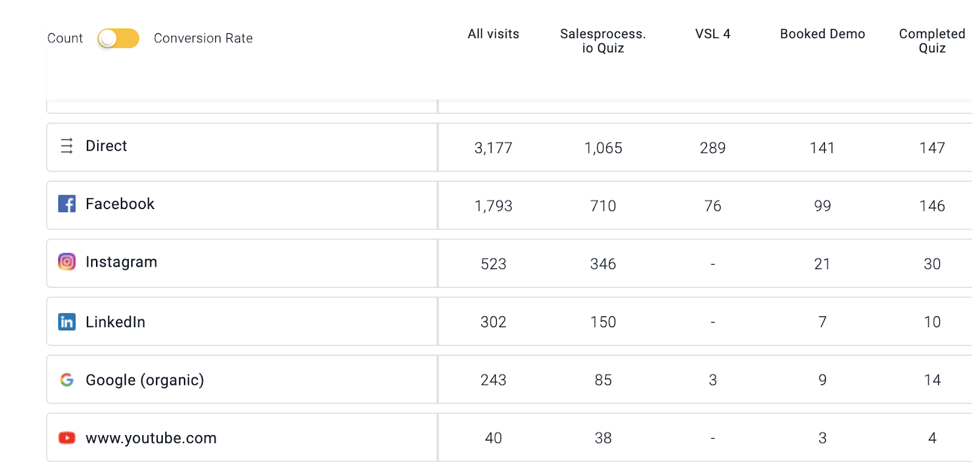

Notice that the direct channel (people organically visiting the site) is yielding more than the Facebook and Instagram channel (paid channels).
This is due to viewers consuming some sort of content, then directly typing the URL into their browser and signing up as a lead.
Organic content effecticity is difficult to track, however, when the content is hosted on the company website and proper tracking tools are used, a correlation between the probability of the viewer becoming a qualified lead and the content page title consumed can be calculated.
The figures below provide an example of this.
Figure 2 - Correlations Between Content views and Lead (“Booked Demo”) Event
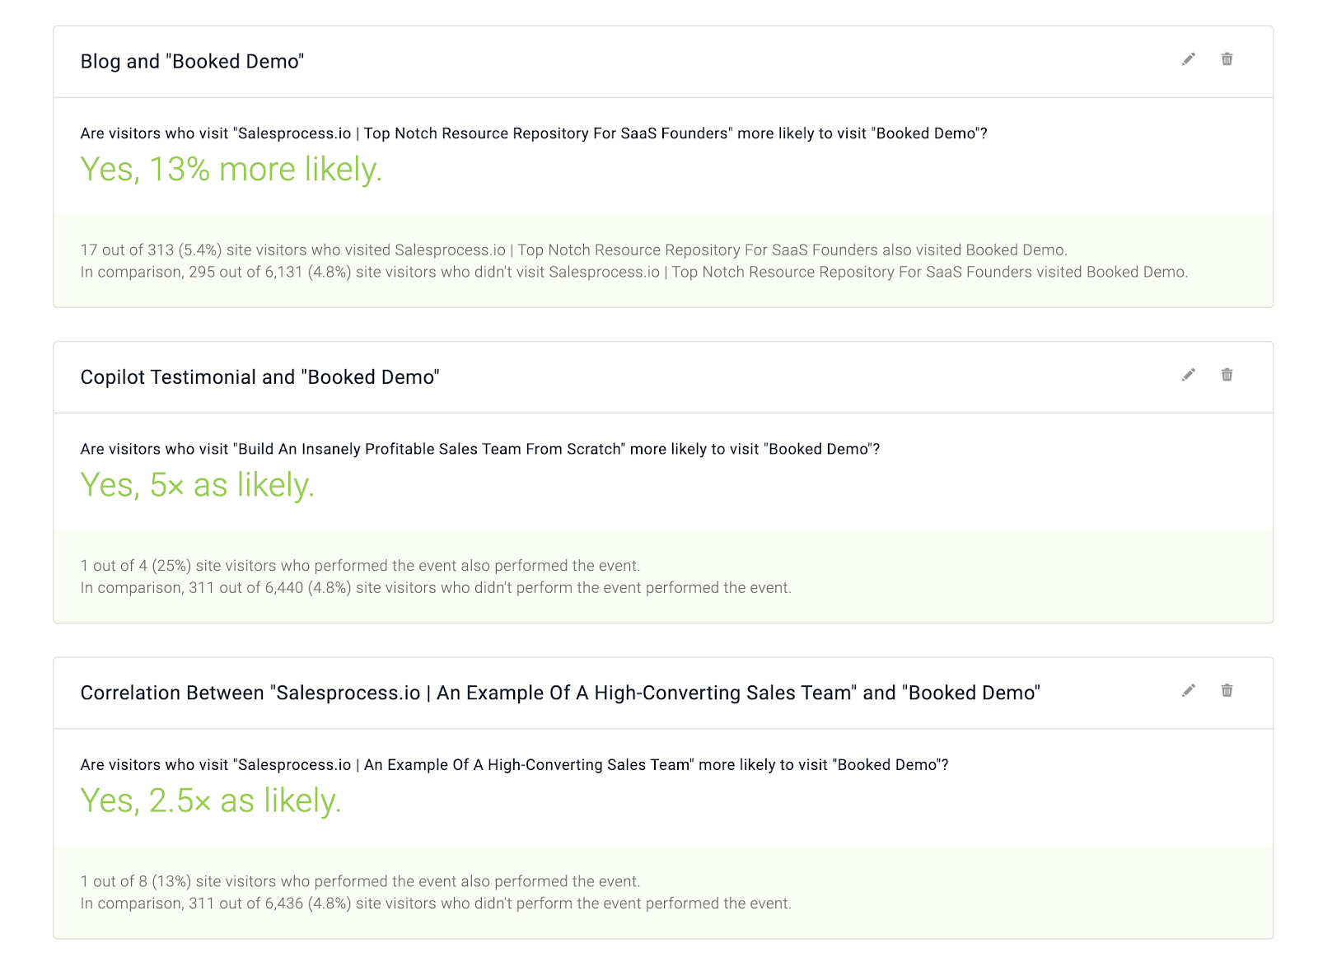
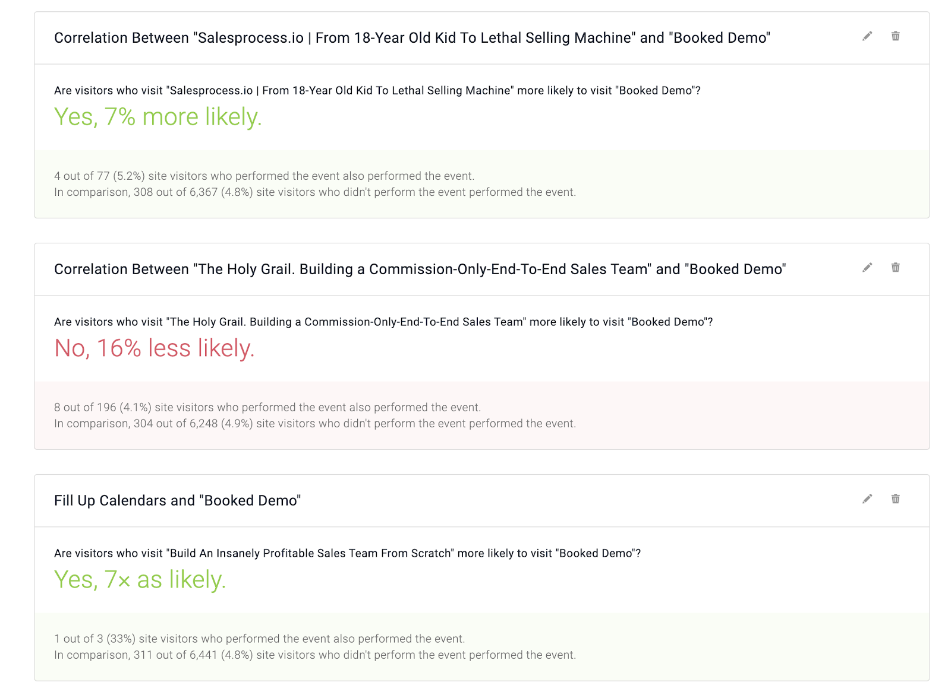

Notice that some content pieces are more influential than others (in that they contributed more to a qualified lead event): People who watch the “Filled Up Calendars” piece of content are 7x more likely to book a demo.
People who read the “lethal sales script” article are only 7% more likely to book a demo. People who visit “The Holy Grail” video are actually 16% less likely to book a demo.
Notice that this method of correlating content to mid-funnel events is extremely useful when determining the effectivity of the content.
Figure 3 depicts an example of the conversion rates of Organic YouTube content.
Figure 4 - Example Of YouTube Referral Traffic

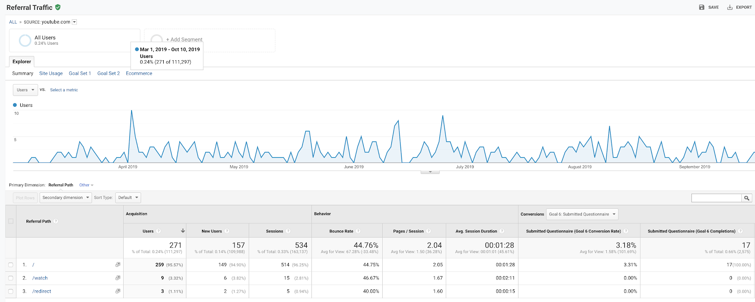

Notice that the questionnaire conversion rate (lead rate) is approximately 3% from YouTube content.
Content is extremely powerful, especially when combined with scalable traffic sources like paid traffic, however, the content creation process is time-consuming.
Creating high-quality content is taught by Salesprocess.io.

ContentChannel Marketing + Insi
Content/Channel Marketing + Inside Sales Unit Economics Model
Since 2014, we've specialized in helping B2B SaaS and high-ticket service companies grow, while being extremely capital efficient.
We've helped over 800 B2B SaaS and high-ticket services companies to date.
Click here to book a rainmaking session with our team.

How to Use: Click 'File' and 'Make a Copy' to change the inputs and tailor this model to your own business.

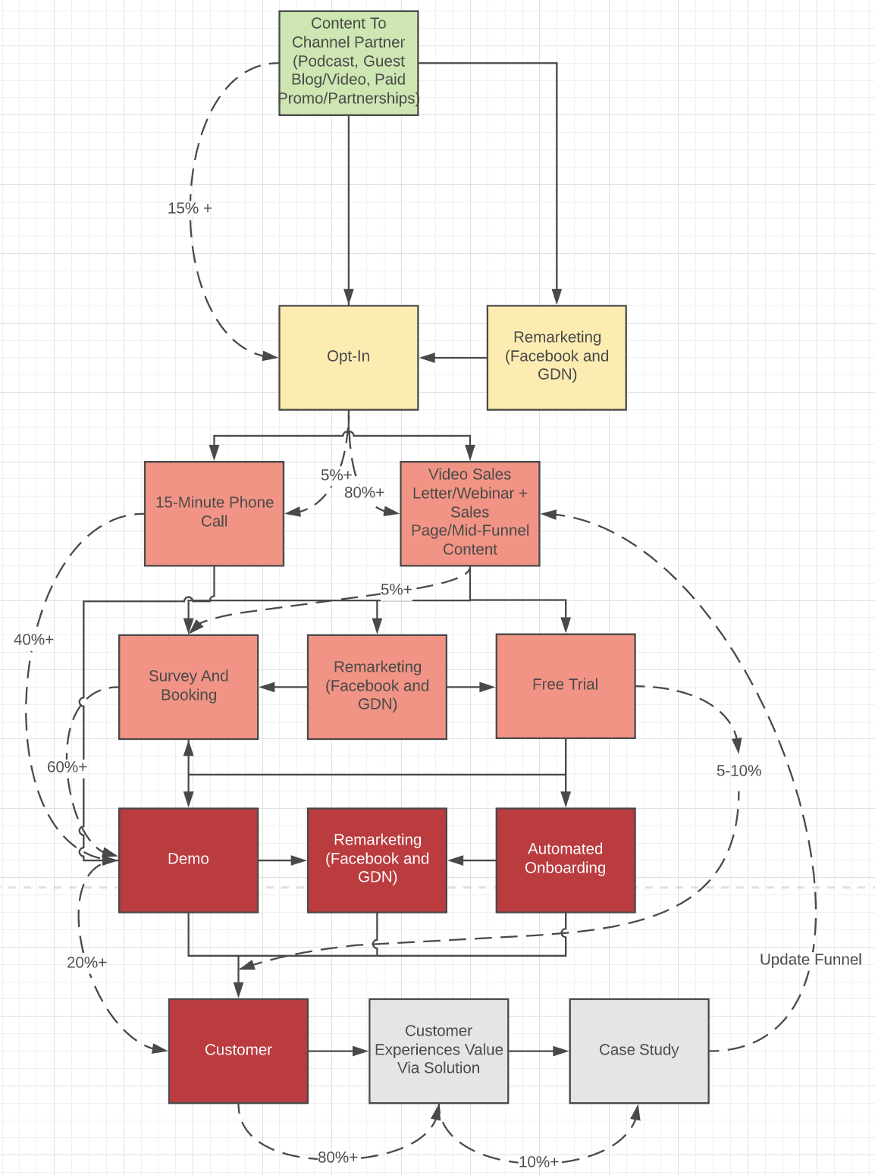
Variable | Value | Note |  | Figure 1) Content/Channel Marketing + Inside Sales Schematic
Cost to Produce and Syndicate Content (or Channel Partner Fee) | $750.00 | The going rate for influencers and channel partners is $25 per 1,000 impressions/followers. This includes podcasts, guest blogs & videos, paid promo, etc.
Views | 30,000
Lead Rate | 15% | With a laser-tight message and offer to the right audience, which can be crafted using Salesprocess.io frameworks, a lead rate of over 15% can be achieved.
Leads | 4,500
Cost Per Lead | $0.17
Demo/Lead | 20% | The demo/lead rate should be validated by outbound prospecting and paid traffic before using the content/channel marketing strategy.
Cost Per Demo | $0.83
Demo Show Up Rate | 65% | One must account for the show up rate. Can drop during summer and holidays. The show up rate should be slightly higher than when using outbound prospecting and paid traffic.
Demo Close Rate | 20% | With content/channel marketing, a high-performing inside sales team with the right script and assets will achieve close rates of over 20%. This 20% standard can achieved by a junior person with 1-3 months training on the right framework. Experienced salespeople (8 months-13 months) can achieve higher close rates.
CPA | $6.41
Sales Rep Commission (% of Gross Contribution) | 10% | As most the marketing is done by the channel partner and assets, a 10% commission rate for the inside salesperson is appropriate and adequate to keep them motived and aligned.
CPA (Conversion) | $300.00
CPA (Total) | $306.41
Annual Gross Contribution | $3,000.00 | This strategy works extremely well for high ticket offers if you target the correct audience, which can be done using the Salesprocess.io framework.
Gross Contribution in 7 Days (if paid monthly) | $250.00 | Best practice is to always try to sell upfront deals.
ROI (Revenue) | 879.08%
ROI (Cash) | 81.59%
Payback Period (months) | 1.23

Content/Channel Marketing + Inside Sales [Pros, Cons & When It's Used]
Pros
Inexpensive
Builds your brand
Separates you from competition
Increases conversion rate of other traffic sources
Cons
Hard to scale
Time consuming
Slow to set up
When It's Used
When you are starting to support your outbound prospecting and advertising efforts
When you already validated a high-ticket offer with outbound prospecting or ads
When you are scaling up
Combining with outbound/inbound paid traffic funnel

Channel Partners + Inside Sales Funnel

Figure 1: Channel Partner + Inside Sales Funnel Schematic
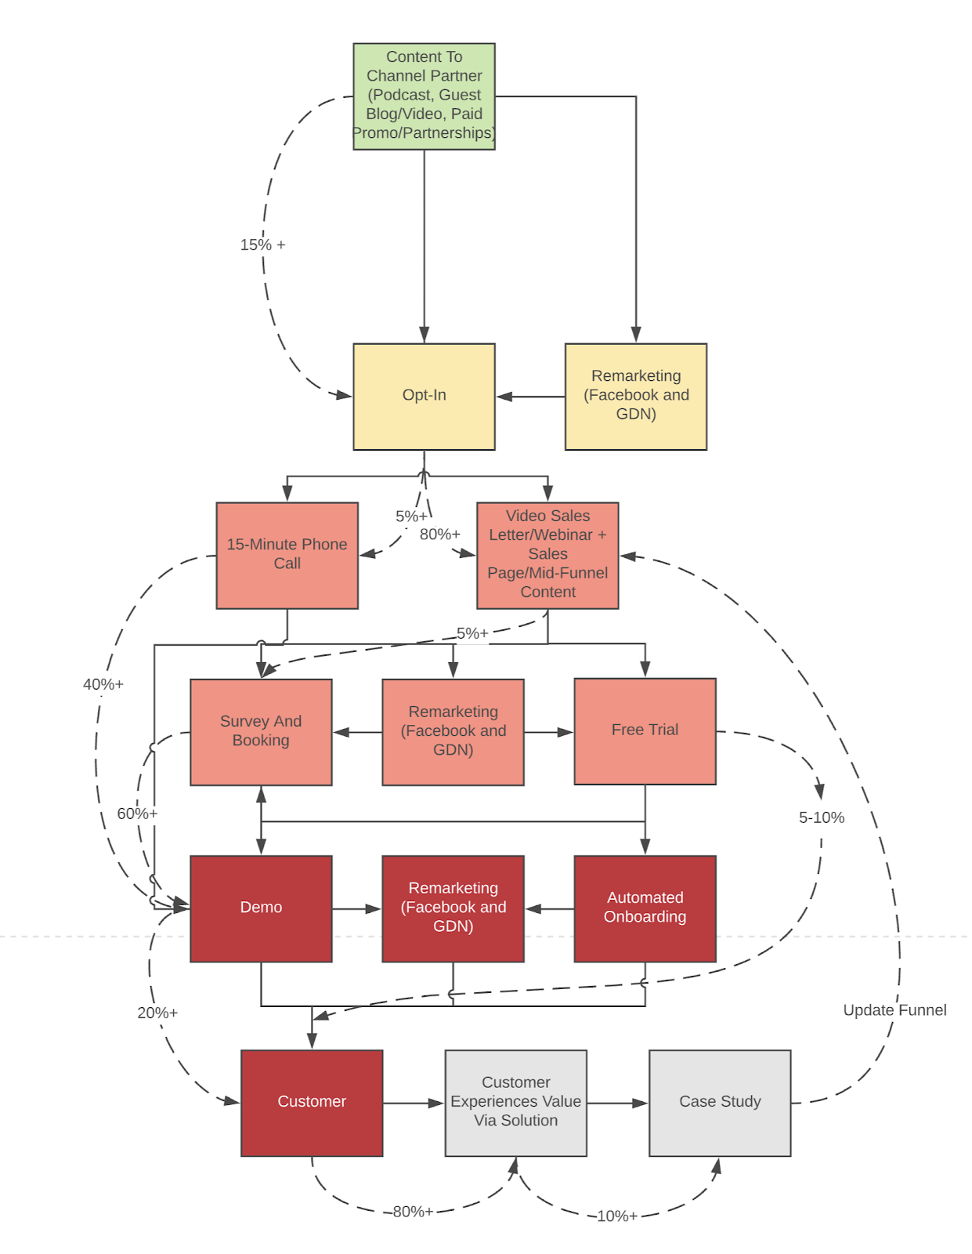

In this funnel, eyeballs or traffic is originated from 3rd party channels who control an existing audience.

Channel traffic is turned into leads, and leads are nurtured and turned into qualified opps, then customers.

Examples:
A thought leader posts ones of your articles or video sales letters.
A complimentary offer co-markets to their audience with an educational webinar.
You pay Kim K $50k to mention you in a Instagram story.

The yield of the channel partner funnel is dependant on the cost to produce and syndicate the content, the views the content recieves, and the contribution of the offer, and the lead conversion rate.

First, let’s compare the yield against the gross contribution of the offer when cost to produce and syndicate content and views are held constant.

In the example below, the cost to produce and syndicate content is assumed to be $500 (this is pretty cheap. Most influencers will want more than $500 to post. In the consumer market, the going rate for an influencer is approx. $1k per 100,000 followers)

The views on each piece of content is assumed to 1000 - a conservative estimate in a startup environment when the audience is small (linkedin connections, Facebook friends, groups). The view count can of course change if the audience grows or if a channel partner promotes your content. The lead conversion rate is assumed to be 3% (this is typical if the claim within the piece of content aligns with the channel’s audience).
Figure 5 - Yield Vs. Gross Contribution - Content Marketing + Inside Sales (Constant Cost To Produce Content)
Variable | Case 1 | Case 2 | Value
Cost To Produce And Syndicate Content | 500 | 500 | 500
Views | 1,000.00 | 1,000.00 | 1,000.00
Lead Rate | 3% | 3% | 3%
Leads | 30 | 30 | 30
Cost Per Lead | $16.67 | $16.67 | $16.67
Lead/Demo | 16% | 16% | 16%
Cost Per Demo | $104.17 | $104.17 | $104.17
Demo Show Up Rate | 65% | 65% | 65%
Demo Close Rate | 25% | 25% | 25%
CPA | 641.03 | 641.03 | 641.03
Sales Rep Commission (% of Gross Contribution) | 15% | 15% | 15%
CPA (Conversion) | 1,500.00 | 150 | 112.5
CPA (Total) | 2,141.03 | 791.03 | 753.53
Gross Contribution | $10,000 | $1,000 | $750
GC Monthly (If Applicable) | $833 | $83 | $63
ROI (Revenue) | 367.07% | 26.42% | -0.47%
ROI (Cash) | 38.92% | 10.53% | 8.29%
Payback Period (months) | 2.57 | 9.49 | 12.06

Notice with a small view count (1,000), the model breaks when the gross contribution dips below $750, however, it is extremely profitable if the contribution is over $2k.

This means that if you only have access to a small audience, sell something with a high contribution value.

Figure 6 compares yield against audience sizes when cost to produce and syndicate content and gross contribution are held constant.
Figure 6 - Yield Vs. Audience Size (Constant Cost To Produce and Syndicate Content, Constant Contribution)

Variable | Case 1 | Case 2 | Case 3
Cost To Produce and Syndicate Content | 500 | 500 | 500
Views | 30,000.00 | 20,000.00 | 3,000.00
Lead Rate | 3% | 3% | 3%
Leads | 900 | 600 | 90
Cost Per Lead | $0.56 | $0.83 | $5.56
Lead/Demo | 16% | 16% | 16%
Cost Per Demo | $3.47 | $5.21 | $34.72
Demo Show Up Rate | 65% | 65% | 65%
Demo Close Rate | 25% | 25% | 25%
CPA | 21.37 | 32.05 | 213.68
Sales Rep Commission (% of Gross Contribution) | 15% | 15% | 15%
CPA (Conversion) | 75 | 75 | 75
CPA (Total) | 96.37 | 107.05 | 288.68
Gross Contribution | $500 | $500 | $500
GC Monthly (If Applicable) | $42 | $42 | $42
ROI (Revenue) | 418.85% | 367.07% | 73.21%
ROI (Cash) | 43.24% | 38.92% | 14.43%
Payback Period (months) | 2.31 | 2.57 | 6.93

Notice that the larger the audience, the higher the yield (this is pretty intuitive).

This model works extremely well even for low contribution offers.

This explains why so many “Instagrammers” and “Youtubers” focus so heavily on building their audiences, then push out low ticket offers like “merch” and low-ticket-ecommerce items and make a killing.
Let’s compare yield against cost to produce and syndicate content with a high-gross-contribution offer.

In the example below, the gross contribution is held constant at $50k (high-ticket offer) and the cost to produce and syndicate content is varied.
Figure 7: Yield Vs. Cost To Produce and Syndicate Content - Channel Marketing + Inside Sales ($50k Gross Contribution - High Ticket)

Variable | Case 1 | Case 2 | Case 3
Cost To Produce And Syndicate Content | 5,000.00 | 10,000.00 | 33,000.00
Views | 1,000.00 | 1,000.00 | 1,000.00
Lead Rate | 3% | 3% | 3%
Leads | 30 | 30 | 30
Cost Per Lead | $166.67 | $333.33 | $1,100.00
Lead/Demo | 16% | 16% | 16%
Cost Per Demo | $1,041.67 | $2,083.33 | $6,875.00
Demo Show Up Rate | 65% | 65% | 65%
Demo Close Rate | 25% | 25% | 25%
CPA | 6,410.26 | 12,820.51 | 42,307.69
Sales Rep Commission (% of Gross Contribution) | 15% | 15% | 15%
CPA (Conversion) | 7,500.00 | 7,500.00 | 7,500.00
CPA (Total) | 13,910.26 | 20,320.51 | 49,807.69
Gross Contribution | $50,000 | $50,000 | $50,000
GC Monthly (If Applicable) | $4,167 | $4,167 | $4,167
ROI (Revenue) | 259.45% | 146.06% | 0.39%
ROI (Cash) | 29.95% | 20.50% | 8.37%
Payback Period (months) | 3.34 | 4.88 | 11.95

Notice that with a high contribution offer, an extremely high cost to produce and syndicate content can be tolerated even if the audience size is low.

This means, that it could be worth it to pay a channel a bunch of money up front to push your marketing if your contribution is high.

Paid Traffic + Automated Free T
Paid Traffic + Automated Free Trial Unit Economics Model
Since 2014, we've specialized in helping B2B SaaS and high-ticket service companies grow, while being extremely capital efficient.
We've helped over 800 B2B SaaS and high-ticket services companies to date.
Click here to book a rainmaking session with our team.

How to Use: Click 'File' and 'Make a Copy' to change the inputs and tailor this model to your own business.
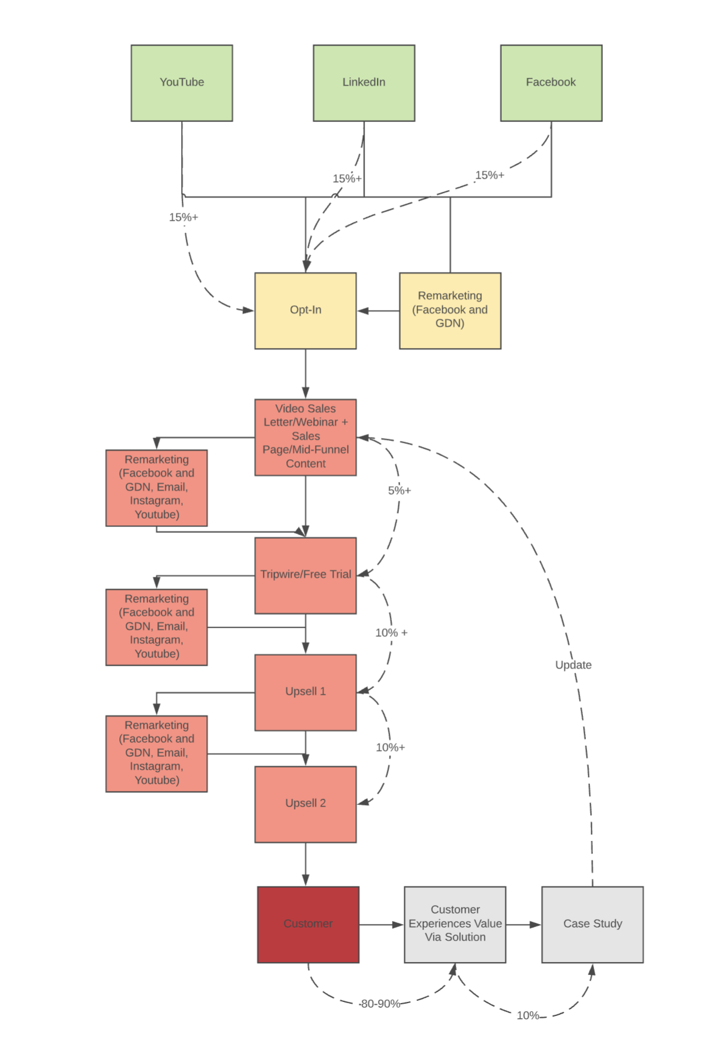
Variable | Value | Note
CPM | $15.00 | Cost per 1000 impressions on Facebook and LinkedIn ranges from $10-20.
CTR | 1% | A 1-3% CTR can be achieved with the right ad angle and copy, which our process allows you to do.
CPC | $1.50 | Cost per click should be around $1-2.
Opt-In Rate | 15% | An opt-in rate of 15-30% can be achieved using a piece of content/lead magnet that can be created and tested using the Salesprocess.io framework.
Cost Per Lead | $10.00
Free Trial/Lead Conversion Rate | 30% | Benchmark free trial rate of 5% can be achieved with the right offer.
Cost Per Trial | $33.33
Trial Close Rate | 15% | Benchmark close rate of 15% can be achieved with the right offer.
CPA (Ads) | $222.22
Annual Gross Contribution | $500 | This strategy works well for lower ticket offers.
Gross Contribution in 7 Days (if paid monthly) | $41.67
ROI (Revenue) | 125.00%
ROI (Cash) | -81.25%
Payback Period (months) | 5.3

Paid Traffic + Automated Free Trial [Pros, Cons & When It's Used]
Pros
Allows you to scale
You don't need to hire a sales team
You can keep your team small
Cons
Expensive
Hard to tune
Slow to set up
When It's Used
When you have proven that your free trial offer converts and you have proven a low churn rate
When you are scaling up
Usually when you can't afford to install an inside sales team because your ticket price is too low

Paid Traffic + Automated Multi-
Paid Traffic + Automated Free Trial Unit Economics Model
Since 2014, we've specialized in helping B2B SaaS and high-ticket service companies grow, while being extremely capital efficient.
We've helped over 800 B2B SaaS and high-ticket services companies to date.
Click here to book a rainmaking session with our team.

How to Use: Click 'File' and 'Make a Copy' to change the inputs and tailor this model to your own business.

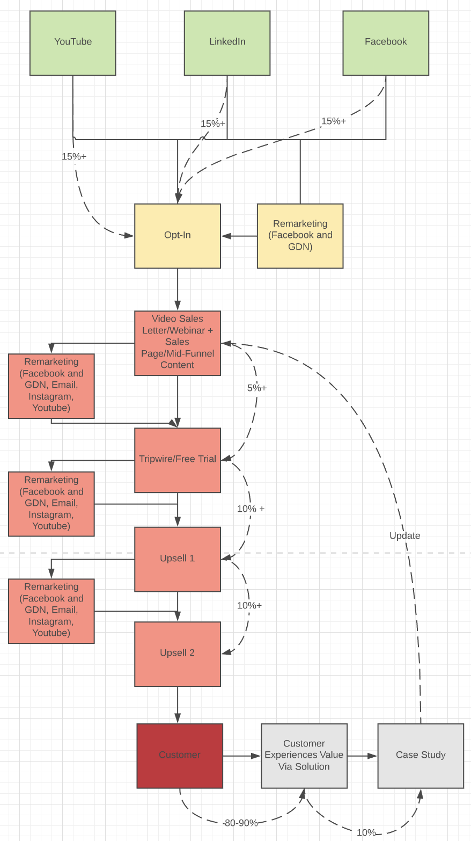
Variable | Value | Note |  | Paid Traffic + Automated Free Trial Schematic
CPM | $15.00 | Cost per 1000 impressions on Facebook and LinkedIn ranges from $10-20.
CTR | 1.0% | A 1-3% CTR can be achieved with the right ad angle and copy, which our process allows you to do.
CPC | $1.50 | Cost per click should be around $1-2.
Opt-In Rate | 15% | An opt-in rate of 15-30% can be achieved using a piece of content/lead magnet that can be created and tested using the Salesprocess.io framework.
Cost Per Lead | $10.00
Tripwire/Sale | 8%
Cost Per Tripwire Sign Up | $125.00
Tripwire Gross Contribution | $49.00
Upsell 1 Conversion Rate | 10%
Upsell 1 Gross Contribution | $500.00 | Examples: Limited edition offers, group coaching/sessions, additional support
Upsell 2 Conversion Rate | 5%
Upsell 2 Gross Contribution | $3,000.00 | Examples: One-on-one private coaching, in-person meetups
Expectation Value of Customer | $249.00
ROI (Revenue) | 99.2%
ROI (Cash) | 99.2%

Paid Traffic + Automated Free Trial [Pros, Cons & When It's Used]
Pros
Allows you to scale
You don't need a sales team
Cons
Expensive
Hard to tune
Slow to set up
When It's Used
When you are selling smaller tickets that do not require a salesperson (ebooks, online training, ecommerce)
When you have some cash in the bank to test
Usually when you can't afford to install an inside sales team because your ticket price is too low

Paid Traffic Automated Funnel
Figure 1: Paid Traffic Automated Funnel Schematic

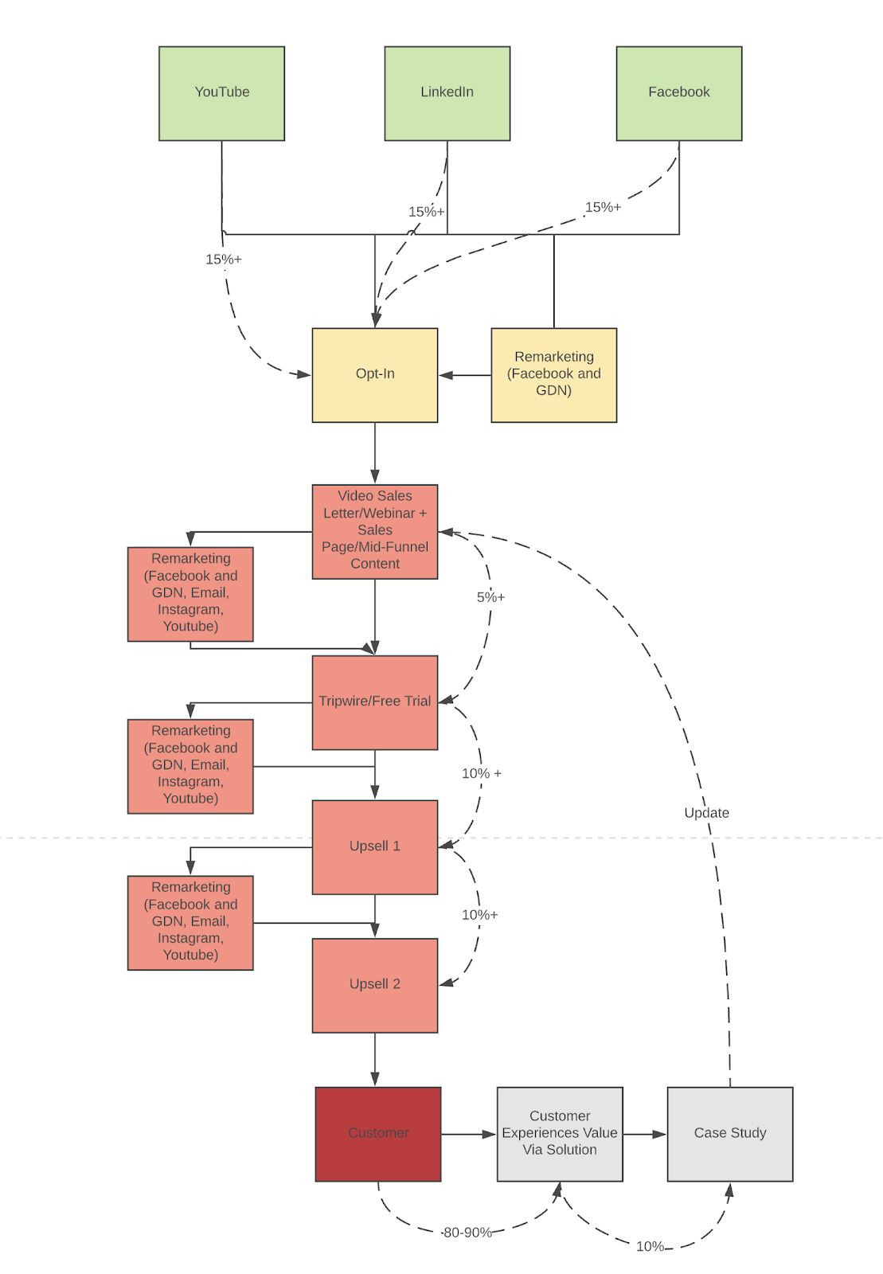

The paid traffic + automated funnel’s backend economics are very similar to the channel + automated funnel mentioned earlier.
The traffic source used is the only difference - instead of channel partners originating traffic, paid sources like Facebook, LinkedIn and Youtube ads are used.
Just like the paid traffic + sales funnel, the yield is dependant on the:
CPM
The CPM determines the lead price.
And just like the channel + automated funnel, the yield is dependant on:
The conversion rate and contribution value of the tripwire, and upsell offers.
Let’s compare yield against CPM when all other variables are held constant.
In the model below, the CTR (click-through-rate) is assumed to be 0.70% (this is a lower limit on Facebook),
the opt-in rate is assumed to be 15% (a lower limit when using paid traffic),
the tripwire/sale conversion rate is assumed to be 8% (a great benchmark to shoot for),
the gross contribution of the tripwire is assumed to be $49 (a simple ebook or resource),
the upsell 1 conversion rate and contribution value are assumed to be 10% and $500 respectively (an online program or software license),
and the upsell 2 conversion rate and contribution value are assumed to be 5% and $3,000 respectively (a consulting fee or extra support).
Figure 1: Yield Vs. CPM - All other variables held constant.
Variable | Case 1 | Case 2 | Case 3
CPM | $5 | $10 | $21
CTR | 0.70% | 0.70% | 0.70%
CPC | $1 | $1 | $3
Opt-In Rate | 15% | 15% | 15%
Cost Per Lead | $5 | $10 | $20
Tripwire Sale/Lead | 8% | 8% | 8%
Cost Per Tripwire Sign Up | $60 | $119 | $250
Tripwire Gross Contribution | $49 | $49 | $49
Upsell 1 Conversion Rate | 10% | 10% | 10%
Upsell 1 Gross Contribution | $500.00 | $500.00 | $500.00
Upsell 2 Conversion Rate | 5% | 5% | 5%
Upsell 2 Gross Contribution | $3,000 | $3,000 | $3,000
Expectation Value Of Customer | $249 | $249 | $249

ROI (Revenue) | 318.32% | 109.16% | -0.40%
ROI (Cash) | 318.32% | 109.16% | -0.40%
Notice that in this model, the funnel breaks when the CPM crosses $21.
This illustrates the delicate nature of these types of funnels - one day it’s pumping along and yielding a healthy 300% return, the next it starts losing money because CPM shoot up.
This type of funnel is best suited for those who are expert copywriters and media buyers. They can be extremely profitable, but the amount of time and energy spent iterating, testing, and monitoring is immense and level of expertise necessary to make one of these hum is high.
The channel + automated funnel is MUCH more forgiving, so we suggest that our clients start with that one, then graduate to this funnel once the economics and copy are proven.

ContentChannel + Automated Mult
Content/Channel + Automated Free Trial Unit Economics Model
Since 2014, we've specialized in helping B2B SaaS and high-ticket service companies grow, while being extremely capital efficient.
We've helped over 800 B2B SaaS and high-ticket services companies to date.
Click here to book a rainmaking session with our team.

How to Use: Click 'File' and 'Make a Copy' to change the inputs and tailor this model to your own business.

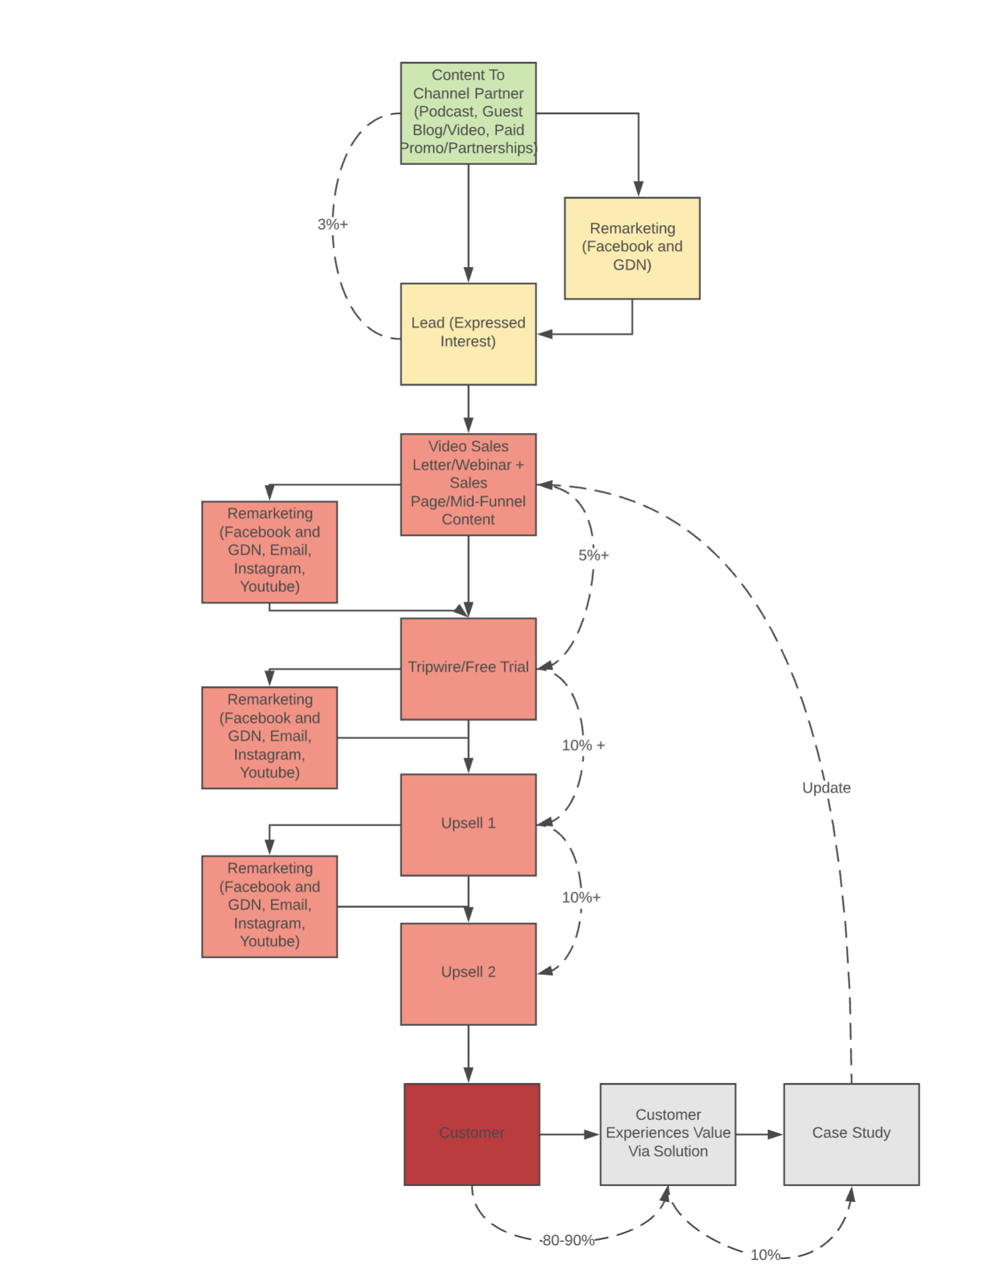
Variable | Value | Note
Cost to Produce and Syndicate Content | $10,000.00 | Cost per 1000 impressions on Facebook and LinkedIn ranges from $10-20.
Views | 20,000.00 | A 1-3% CTR can be achieved with the right ad angle and copy, which our process allows you to do.
Lead/View Rate | 5% | Cost per click should be around $1-2.
Leads | 1000 | An opt-in rate of 15-30% can be achieved using a piece of content/lead magnet that can be created and tested using the Salesprocess.io framework.
Cost Per Lead | $10
Lead/Trip Wire | 10%
Cost Per Tripwire Sign Up | $100
Tripwire Gross Contribution | $49
Upsell 1 Conversion Rate | 10%
Upsell 1 Gross Contribution | $500.00 | Examples: Limited edition offers, group coaching/sessions, additional support
Upsell 2 Conversion Rate | 5%
Upsell 2 Gross Contribution | $3,000 | Examples: One-on-one private coaching, in-person meetups
Expectation Value Of Customer | $249
ROI (Revenue) | 149.0%
ROI (Cash) | 149.0%

Content/Channel + Automated Free Trial [Pros, Cons & When It's Used]
Pros
Inexpensive to get started
Free traffic
Cons
Difficult to scale
Hard to set up
Hard to break through the noise
When It's Used
When you are testing a new offer and you don't have much money
When your ticket price is low <$200 (ebooks, programs, ecommerce)
Usually when you can't afford to install an inside sales team because your ticket price is too low

Channel Partners + Automated Funnel
Figure 1: Channel Partner + Automated Funnel Schematic

In this funnel, traffic is generated by syndicating content through a 3rd party channel or “piggy-backing” off other people’s audiences. This traffic is then turned into leads using a lead capture page.
The leads are nurtured by video sales letters, webinars and mid-funnel content, then directed to “tripwire” sales page, where they are converted into customers. A tripwire is a small purchase or free trial (small commitment).
The prospect, now a customer is upsold with additional higher-ticket offers via additional sales pages and retargeting loops, and sometimes inside sales teams. This additional offers can be referred to as “backend offers”.
The yield of this funnel is dependent on:
The tripwire conversion rate and respective contribution value
The upsell conversion rates and respective contribution values
The audience size
The audience quality, which can be inferred by the lead/view rate, which is ultimately determined by the resonance between the claim and the interests of the audience.
Let’s compare yield against upsell contribution values, specifically the “backend” upsell, when all other variables are held constant.
In this model, we will assume that:
Cost to produce and syndicate content = $10,000 (the cost to pay off a channel partner for a push),
the audience size = 20,000 (pretty standard in the real world for b2b audience),
the lead rate (the rate at which a viewer raises hand and expresses interest via an opt-in page) = 2% (could be better, however, this is a lower limit),
the tripwire conversion rate = 10% (this is pretty high, but definitely achievable with a high-converting video sales letter and lethal mid-funnel content),
the tripwire contribution value = $47 (an ebook or a simple resource),
the upsell 1 conversion rate = 10% (pretty standard for a $1k upsell if the upsell video is well done),
the contribution for upsell 1 = $1,000 (an online program or a yearly license to a software, or a consultation fee),
the upsell 2 conversion rate = 5% (this is the lower limit with an inside sales team and aggressive nurture campaign).
Figure 1: Yield Vs. Backend Contribution Values - All other variables are held constant.
Variable | Value | Value | Value
Cost To Produce And Syndicate Content | 10,000.00 | 10,000.00 | 10,000.00
Views | 20,000.00 | 20,000.00 | 20,000.00
Lead Rate | 2% | 2% | 2%
Leads | 400 | 400 | 400
Cost Per Lead | $25 | $25 | $25
Lead/Trip Wire | 10% | 10% | 10%
Cost Per Tripwire Sign Up | $250 | $250 | $250
Tripwire Gross Contribution | $47 | $47 | $47
Upsell 1 Conversion Rate | 10% | 10% | 10%
Upsell 1 Gross Contribution | $1,000.00 | $1,000.00 | $1,000.00
Upsell 2 Conversion Rate | 5% | 5% | 5%
Upsell 2 Gross Contribution | $10,000 | $2,000 | $30,000
Expectation Value Of Customer | $647 | $247 | $1,647

ROI (Revenue) | 158.80% | -1.20% | 558.80%
ROI (Cash) | 158.80% | -1.20% | 558.80%
Notice when the backend contribution value dips below $2,000, yield is negative.
This simple model illustrates the importance of having a “high-ticket” or “high-margin” or “profit center” within the funnel. Without a higher-ticket offer tacked onto a lower-ticket tripwire offer, exciting funnel yield is difficult to achieve.
Most entrepreneurs struggle to identify the importance of a high-ticket profit center; in some cases these entrepreneurs “break even” with their tripwire funnel, but don’t capture exciting surplus with higher-ticket offers. The result is that they don’t accumulate capital at a rate that is anywhere near as exciting as it could be.
On the other hand, savvy entrepreneurs who start with a high-ticket profit center offer and “work their way downstream” achieve meaningful surplus - meaning, they make big margins with a high ticket offer first, then use this type of funnel to acquire a massive amount of customers for “free” with affiliates, channels, and paid traffic.
Russell Brunson from Clickfunnels did this beautifully: He sold a high-margin mastermind group ($25k price point, now $50k), a mid-ticket info course and software (Clickfunnels -$1k-$3k), and a $9 ebook and softcover (Expert Secrets and Dotcom Secrets) he used as a tripwire.
He assembled an army of affiliates/channel partners and spent a fortune on paid traffic.
He was able to “liquidate” his traffic costs with the ebook and course sales, acquire customers for his monthly recurring software for “free”, and pocket profits on the backend with his mastermind.
Clickfunnels is the fastest-growing-non-vc-backed software company ever - he broke $100M ARR in a few years without any funding and while pocketing profits. Not too shabby.
Let’s compare yield against audience size when all other variables are held constant.
In the example below, we will assume that:
The cost to produce and syndicate the content = $10,000,
lead rate = 2%,
tripwire conversion rate = 10%,
tripwire contribution = $47 (small ebook or training),
upsell 1 conversion rate and contribution value = 10% and $1,000 (program or software sale) respectively,
upsell 2 conversion rate and contribution value = 5% and $5,000 (extra support or consulting package) respectively.
Yield Vs. Audience Size - All other variables held constant
Variable | Channel 1 | Channel 2 | Channel 3
Cost To Produce And Syndicate Content | 10,000.00 | 10,000.00 | 10,000.00
Views | 12,000.00 | 20,000.00 | 100,000.00
Lead Rate | 2% | 2% | 2%
Leads | 240 | 400 | 2000
Cost Per Lead | $42 | $25 | $5
Lead/Trip Wire | 10% | 10% | 10%
Cost Per Tripwire Sign Up | $417 | $250 | $50
Tripwire Gross Contribution | $47 | $47 | $47
Upsell 1 Conversion Rate | 10% | 10% | 10%
Upsell 1 Gross Contribution | $1,000.00 | $1,000.00 | $1,000.00
Upsell 2 Conversion Rate | 5% | 5% | 5%
Upsell 2 Gross Contribution | $5,000 | $5,000 | $5,000
Expectation Value Of Customer | $397 | $397 | $397

ROI (Revenue) | -4.72% | 58.80% | 694.00%
ROI (Cash) | -4.72% | 58.80% | 694.00%
Notice that this model “breaks” when the views are less than 12,000, it’s profitable when the views >12,000 and it’s wildly profitable when the views are in the 6 figures.
Using the audience size, we can hypothesize a CPL (cost per lead), which we can compare to that of a paid traffic funnel and determine if the channel agreement is worth pursuing.
For Example: Notice that in case 2, CPL = $25 and in case 3, CPL = $5. Let’s pretend that we are able to buy leads for the same offer on Facebook for $12. In this case, it doesn’t make sense to go with channel partner 2, but it does make sense to go with channel partner 3.
When you are evaluating channels, it pays to be prudent - start with a small test if possible, evaluate the CPL and overall conversion rate, then scale up with larger buys.
Let’s compare yield against lead conversion rate when all other variables are held constant.
Yield Vs. Lead Conversion Rate - All Other Variables Held Constant
Variable | Value | Value | Value
Cost To Produce And Syndicate Content | 10,000.00 | 10,000.00 | 10,000.00
Views | 20,000.00 | 20,000.00 | 20,000.00
Lead Rate | 2% | 1% | 5%
Leads | 400 | 200 | 1000
Cost Per Lead | $25 | $50 | $10
Lead/Trip Wire | 10% | 10% | 10%
Cost Per Tripwire Sign Up | $250 | $500 | $100
Tripwire Gross Contribution | $47 | $47 | $47
Upsell 1 Conversion Rate | 10% | 10% | 10%
Upsell 1 Gross Contribution | $1,000.00 | $1,000.00 | $1,000.00
Upsell 2 Conversion Rate | 5% | 5% | 5%
Upsell 2 Gross Contribution | $5,000 | $5,000 | $5,000
Expectation Value Of Customer | $397 | $397 | $397

ROI (Revenue) | 58.80% | -20.60% | 297.00%
ROI (Cash) | 58.80% | -20.60% | 297.00%
Notice that a small change in the lead conversion rate makes a huge impact on the overall yield of the funnel (the margin of error is only 1% :|).
This illustrates the effect of quality of the audience on the yield - meaning the audience responds to the claim being presented to them.
If there is an opportunity to pitch an audience that has a high likelihood of resonating with your claim (high-quality), you can justify paying a premium since the overall conversion rate will be higher than a low-quality audience.
You can pay channels in the form of an up-front fee or you can pay them as an affiliate in where you give them a % of the revenue generated from traffic originated by them.
The affiliate model works well when you can show the channel partner clear funnel metrics. If you don’t have clear metrics, affiliates will be less likely to engage in revenue splits and be more likely to engage in up-front fee models.

